1. Title Page
[Basket Analysis Project]

Project Name: Instacart Grocery Basket Analysis
Date: 10/04/2023
Analyst Name: Steven So

Contents:
Population Flow
Consistency checks
Wrangling steps
Column derivations
Visualizations
Recommendations

Data Provided by:
Kaggle on 09/23/2023
"The Instacart Online Grocery Shopping Dataset 2017"
Accessed from http://www.instacart.com/datasets/grocery-shopping-2017

2. Population Flow
Title page

Population flow

Orders_products_combined
Orders_products_merged
Orders_products_all

Total: 32,434,489
Total: 32,404,859
Total: 32,404,859

3. Consistency checks
 |  |  |  | Title page
Consistency checks

Dataset | Missing values | Missing values treatment | Duplicates
orders | There were 206,209 instances of null values for 'days since prior order' | This was left in place, as it makes sense that there were no days prior to an account's first order. This was corroborated by the fact that there are 206,209 unique user_ids. | No duplicates were found.
products | 16 values under 'product name' were missing. They were listed as Nan, null. | These 16 rows were deleted. No commonality was found among all the entries. The products ranged in prices, aisle, and departments. | 5 duplicate rows were found. Filterd out the duplicate values via .drop_duplicates() function.
orders_products_prior | No missing values found. | No action necessary. | No duplicates were found.
customers | No missing values found. | No action necessary. | No duplicates were found.
orders_products_merged | No missing, but there were 698 rows with a price of $99,999.00 and 4,429 rows with the price of $14,900.00 | Prices for similar products were compared and deteremined the true values for those items. Changed the prices from $99,999.00 to $9.99 and $14,500.00 to $14.50 | No duplicates were found.

4. Wrangling steps
 |  |  |  | Title page
Wrangling steps

Columns dropped | Columns renamed | Columns' type changed | Comment/Reason
eval_set |  |  | Was not needed for our project.
date_joined |  |  | Was not needed for our project.
first_name |  |  | Violated PII restrictions.
last_name |  |  | Violated PII restrictions.
 | order_dow : order_day_of_week |  | For better clarity.
 | days_since_prior_order : days_since_last_order |  | For better clarity.
 | First Name : first_name |  | To adhere to naming conventions.
 | Surnam : last_name |  | To adhere to naming conventions.
 | Gender : gender |  | To adhere to naming conventions.
 | STATE : state |  | To adhere to naming conventions.
 | Age : age |  | To adhere to naming conventions.
 | n_dependants : num_dependants |  | For better clarity.
 | fam_status : marital_status |  | For better clarity.
 |  | user_id to str | Changed from num to str to have functions ignore them for calculations.
 |  | order_id to str | Changed from num to str to have functions ignore them for calculations.

5. Column derivations
 |  |  | Title page

Column derivations and aggregations

Dataset | New column | Column/s it was derived from | Conditions
nearfinal.pkl | region | state | opm['region'] = opm['state'].map(region_map)
nearfinal.pkl | cust_activity | max_order | opm.loc[opm['max_order']<5, 'cust_activity'] = 'Low activity' opm.loc[opm['max_order']>=5, 'cust_activity'] = 'High activity'
nearfinal.pkl | age_group | age | opm.loc[opm['age'] <= 34, 'age_group'] = '18-34ys' opm.loc[(opm['age'] >= 35) & (opm['age']<= 44), 'age_group'] = '35-44yrs' opm.loc[(opm['age'] >= 45) & (opm['age']<=54), 'age_group'] = '45-54yrs' opm.loc[(opm['age']>=55) & (opm['age']<=64), 'age_group'] = '55-64yrs' opm.loc[opm['age']>=65, 'age_group'] = '65yrs and above'
nearfinal.pkl | income_status | income | low_income_threshold = 67004 high_income_threshold = 127912 def categorize_income(income): if income<=low_income_threshold: return 'Low income' elif low_income_threshold < income <= high_income_threshold: return 'Regular income' else: return "High income"
nearfinal.pkl | family_size | num_dependants | opm_merged.loc[opm_merged['num_dependants'] < 1, 'family_size'] = 'No children' opm_merged.loc[(opm_merged['num_dependants']>0) & (opm_merged['num_dependants']<2), 'family_size'] = 'Small family' opm_merged.loc[opm_merged['num_dependants']>=2, 'family_size'] = 'Large family'
orders_products_merged.pkl | price_range | price | def price_label(row): if row['prices'] <= 5: return 'Low-range product' elif (row['prices'] > 5) and (row['prices'] <= 15): return 'Mid-range product' elif row['prices'] > 15: return 'High range' else: return 'Not enough data'
orders_products_merged.pkl | busiest_days | order_day_of_week | result = [] for x in ords_prods_merge['order_day_of_week']: if (x == 0) or (x == 1): result.append('Busiest day') elif (x == 4) or (x == 3): result.append('Least busy') else: result.append('Regularly busy') ords_prods_merge['busiest_days'] = result
orders_products_merged.pkl | busiest_period_of_day | order_hour_of_day | result = [] for x in ords_prods_merge['order_hour_of_day']: if (x >= 9) or (x <= 16): result.append('Most orders') elif (x == 23) or (x == 6) or (x == 0) or (x == 1) or (x == 5) or (x == 2) or (x == 4) or (x == 3): result.append('Fewest orders') else: result.append('Average orders') ords_prods_merge['busiest_period_of_day']=result
orders_products_merged.pkl | loyalty_flag | max_order | ords_prods_merge.loc[ords_prods_merge['max_order'] > 40, 'loyalty flag'] = 'Loyal customer' ords_prods_merge.loc[(ords_prods_merge['max_order']<=40) & (ords_prods_merge['max_order']>10), 'loyalty_flag'] = 'Regular customer' ords_prods_merge.loc[ords_prods_merge['max_order']<=10, 'loyalty_flag'] = 'New customer'
orders_products_merged.pkl | average_price | user_id, price | ords_prods_merge['average_price'] = ords_prods_merge.groupby('user_id')['prices'].transform(np.mean) ords_prods_merge['average_price'] = ords_prods_merge['average_price'].round(2)
orders_products_merged.pkl | spending_flag | average_price | ords_prods_merge.loc[ords_prods_merge['average_price'] < 10, 'spending_flag'] = 'Low spender' ords_prods_merge.loc[ords_prods_merge['average_price'] >= 10, 'spending_flag'] = 'High spender'
orders_products_merged.pkl | median_days | user_id, days_since_last_order | ords_prods_merge['median_days'] = ords_prods_merge.groupby('user_id')['days_since_last_order'].transform(np.median)
orders_products_merged.pkl | frequency_flag | median_days | ords_prods_merge.loc[ords_prods_merge['median_days'] > 20, 'frequency_flag'] = 'Non-frequent customer' ords_prods_merge.loc[ords_prods_merge['median_days'] <= 10, 'frequency_flag'] = 'Frequent customer' ords_prods_merge.loc[(ords_prods_merge['median_days'] > 10) & (ords_prods_merge['median_days'] <= 20), 'frequency_flag'] = 'Regular customer'

6. Visualizations
 | Title page

Visualisations

Q1:

The sales team needs to know what the busiest days of the week and hours of the day are (i.e., the days and times with the most orders) in order to schedule ads at times when there are fewer orders.

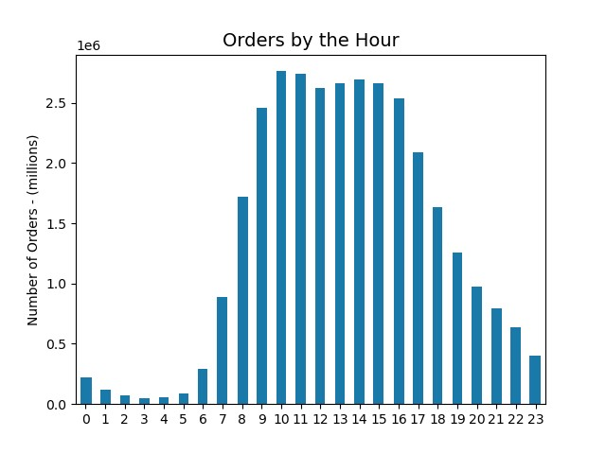
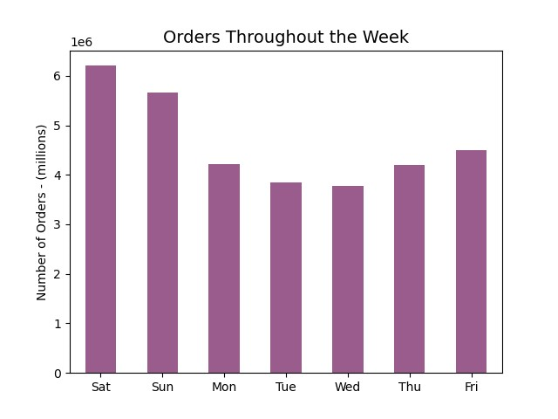

Insights:

Based on the data, Saturday and Sunday have the highest amount of order activity. Of note, orders are at their lowest in the middle of the week and start picking up after that. In terms of the busiest time of the day, 10AM is the hour when the most orders come in. With that said, the hours of 10AM – 4PM have relatively similar amounts of orders and comprise most of the activity on the app. Orders start to slow down around 5PM and continue to do so until midnight. The hours of 12AM – 7AM make up the lowest amount of activity on the app. Orders then start to pick up again around 8AM.

Q2:

They also want to know whether there are particular times of the day when people spend the most money, as this might inform the type of products they advertise at these times.

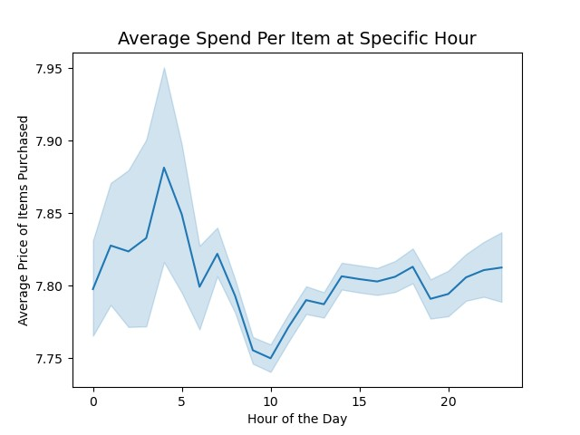
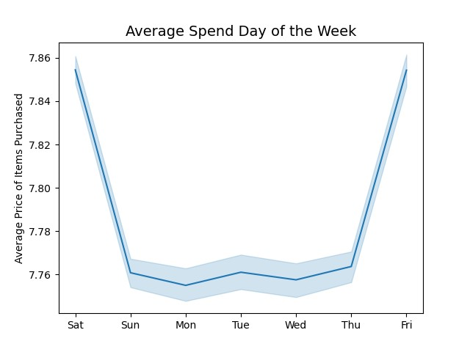

Insights:

There does not appear to be any significance in either chart in relation to higher spending on a specific day of the week, or hour of that day. While there are fluctuations, the scale of the difference is only $0.01 - $0.11 for each item purchased.

Q3:

Instacart has a lot of products with different price tags. Marketing and sales want to use simpler price range groupings to help direct their efforts.

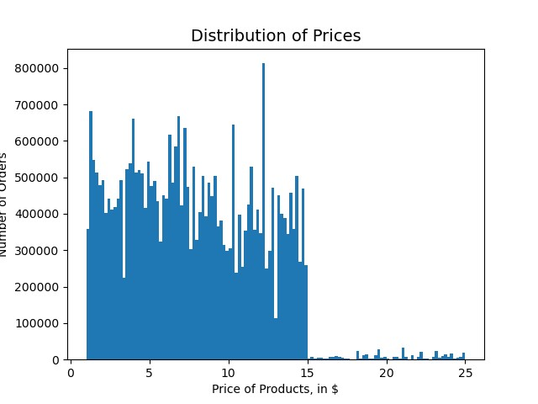
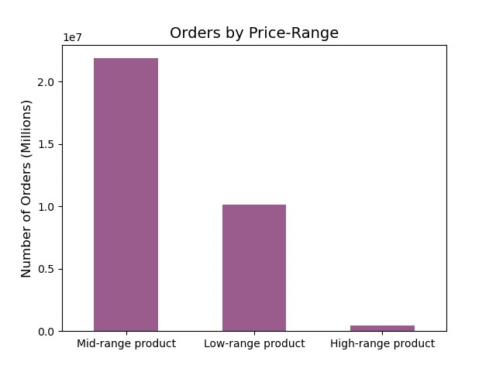

Insights:

Most orders fall into the $15.00 and under category. For this project, the “Price Range” label was created – so that products could easily be identified and categorized by that label’s definition. In this case, anything under $5.00 is considered a “Low-range product”. Items between $5.00 and $15.00 are considered “Mid-range products”. This leaves any items over $15.00 to be labeled as “High-range products”.

Q4:

Are there certain types of products that are more popular than others? The marketing and sales teams want to know which departments have the highest frequency of product orders

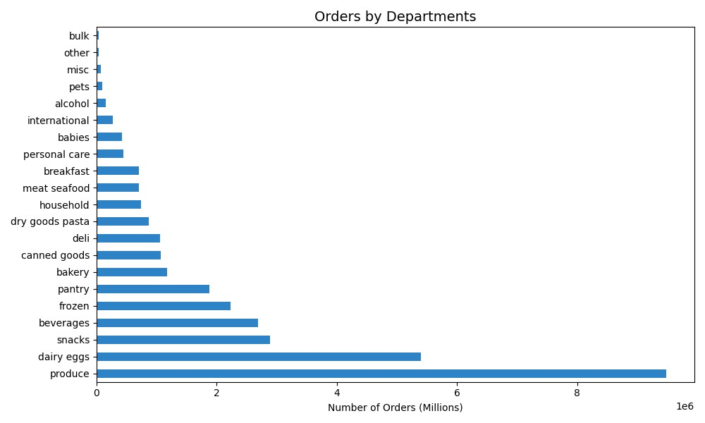

Insights:

Products from the “Produce” department are by far the most popular. Following behind that, slightly over half its level of demand, would be “Dairy / Eggs”. The “Snacks”, “Beverages”, and “Frozen” categories make up the rest of the overall purchases. Of note, “Produce”, “Dairy” and “Eggs” can be considered essential goods, while “Snacks”, “Beverages”, and “Frozen” products often fall into the junk food type categories.

Q5.A:

What's the distribution among users in regards to their brand loyalty (i.e. how often do they return to instacart)?

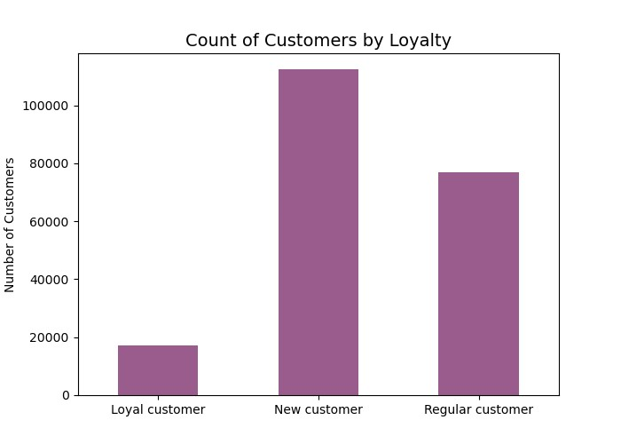

Insights:
Most of our users’ loyalty levels can be considered “New customers”. These users will make an initial order with Instacart, but their subsequent orders are often 20 days after that, on average. Our “Regular customers” comprise the second largest group of our users. These are users who make an initial purchase and then a follow up one within 10 to 20 days after, on average. Finally, our “Loyal customers” are those who make a purchase less than 10 days after their previous one, on average. They make up the lowest population of our user base.

Q5.B:

Are there differences in ordering habits based on a customer's loyalty status?

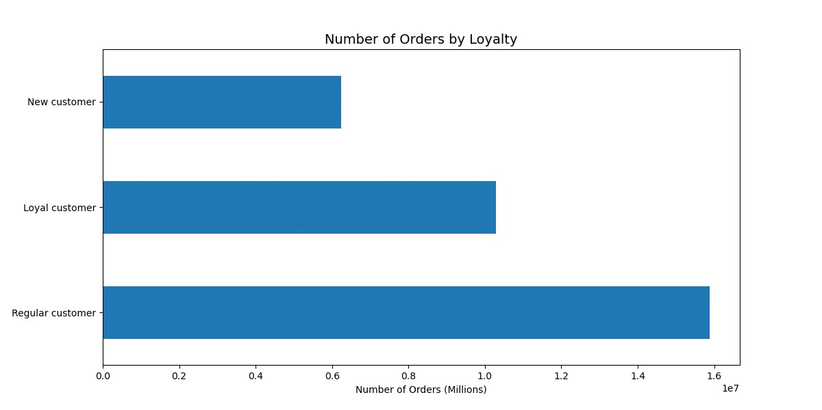

Insights:
While “New customers” make up much of our user base, our “Regular customers” comprise over 50% of our orders. Our “Loyal customers” are relatively low population-wise, but they make up almost 33% of our orders. Our “New customers” come in at under 20% of our orders.

Q5.C:

Are there differences in ordering habits based on a customer's region?

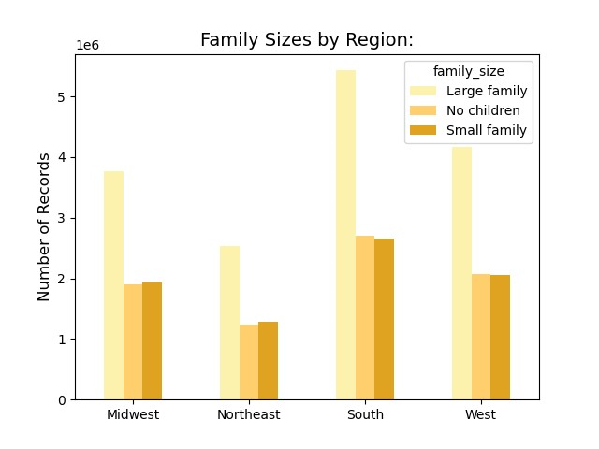
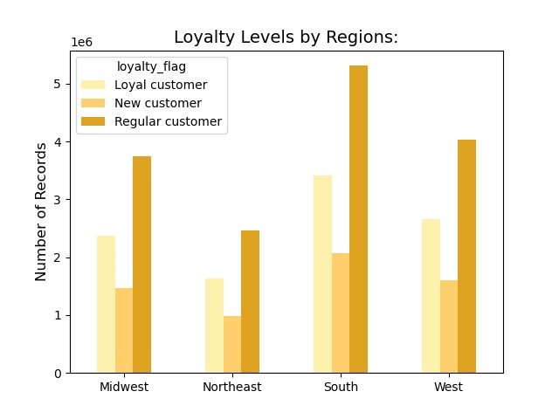

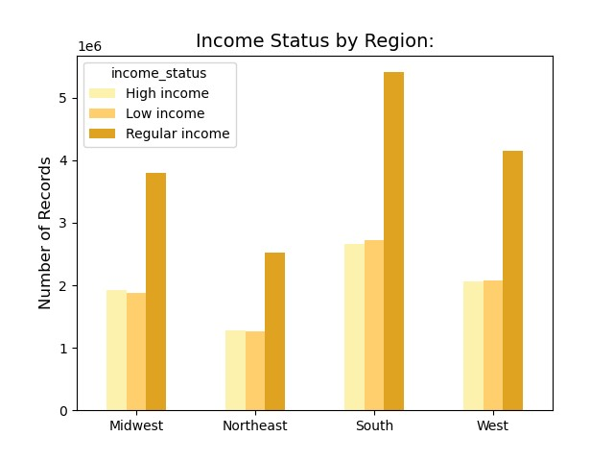
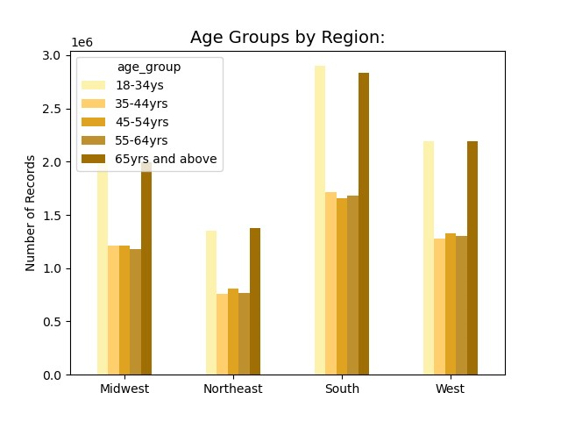

Insights:

Depending on the region, the number of orders fluctuates, but their patterns among various customer labels are consistent. Larger sized families place more orders than small sized families or those with no children. While there are more orders in the southern region, larger families maintain the same ratio of orders throughout the other regions. The same is true throughout each graph. “Regular customers” have more orders than both “Loyal” and “New customers”, as we saw in the previous section. While we can see the distribution of users and their number of orders, one thing remains clear. The region does not affect or change our users’ behaviors and they are consistent despite their location.

Q5.D:

Is there a connection between age and family status in terms of ordering habits?

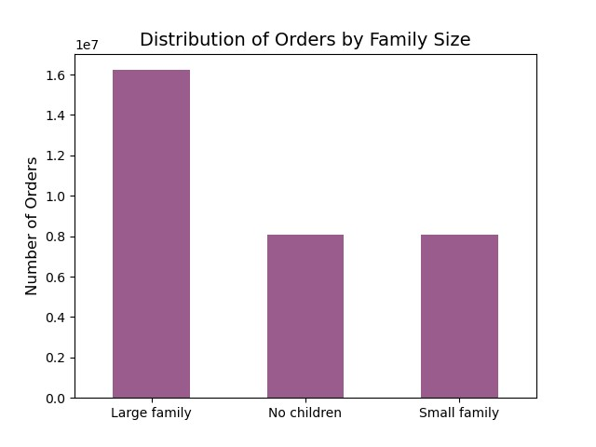
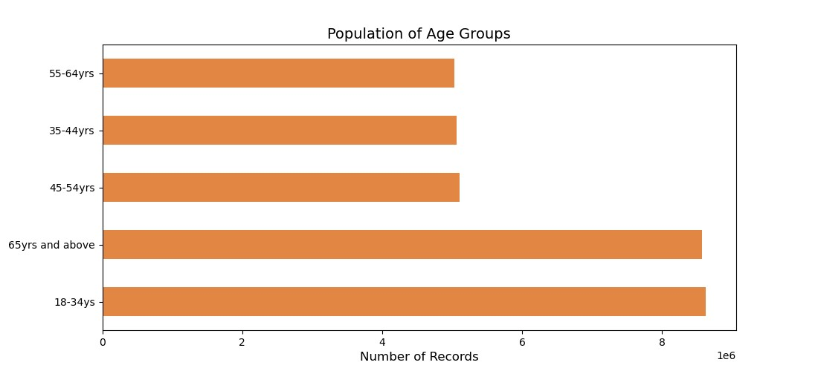

Insights:

We can observe a substantially higher number of orders from both the 18-34yrs and 65yrs+ groups. Of note, both these groups are our upper and lower quartiles as well. While the ages in between make up a larger number of total orders, we do not see any behavior difference whether a user is 35 or 64yrs old and any age in between. Larger families, those with 2 children or more, have double the number of orders when compared to those who have no children or only 1 child.

Q5.E:

What different classifications does the demographic information suggest?

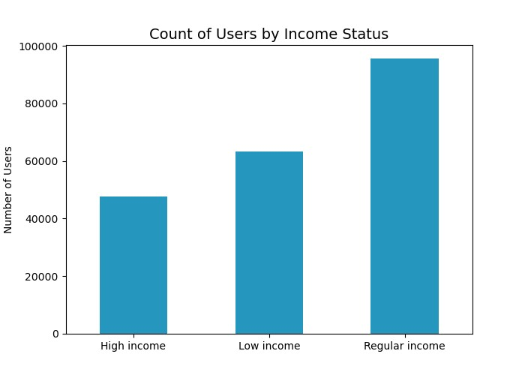
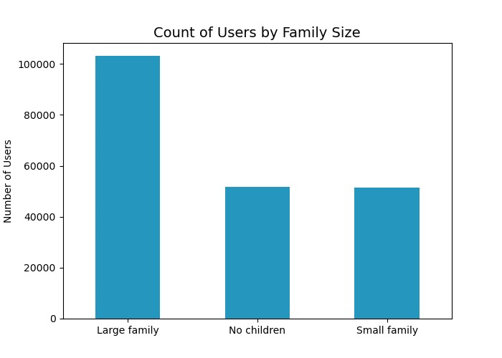

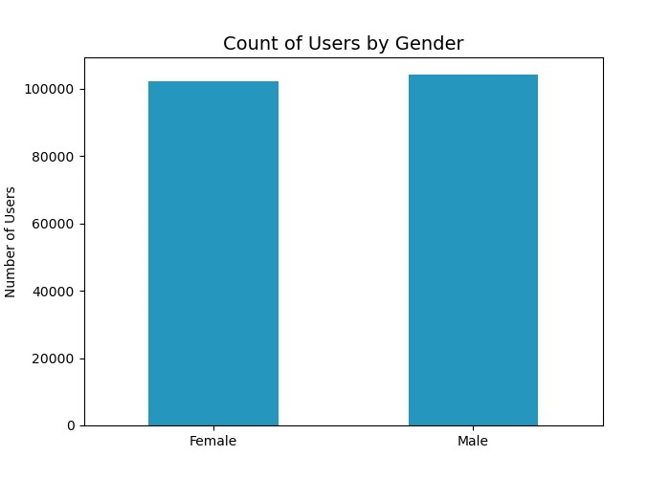
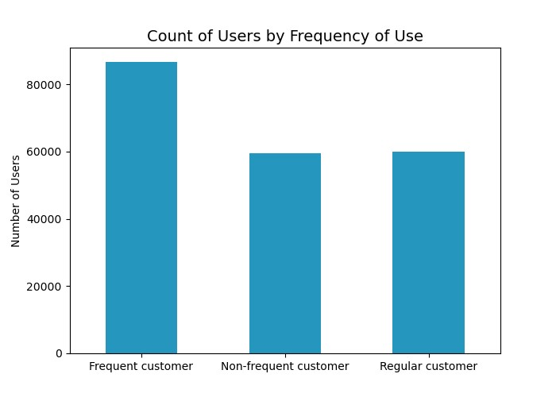

Insights:
Looking at the distribution of our users, we can see a few key factors. Many of our users come from larger families, having 2 or more children, and receive an income within the range of $55k-$120k. Most of our users are frequent customers, meaning they make a subsequent order through the app within 10 days of their previous purchase. Of note, we have an even distribution of male and female users.

Q5.F:
What differences can you find in ordering habits of different customer profiles?

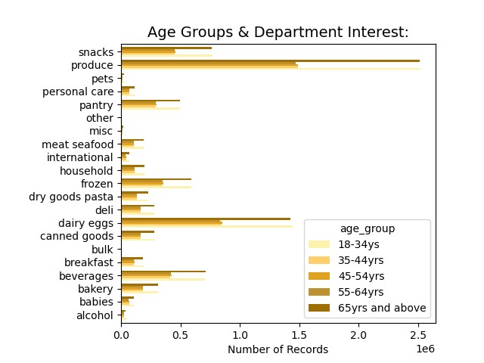
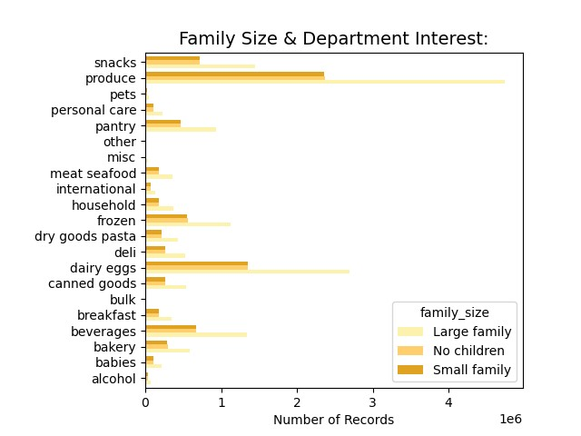

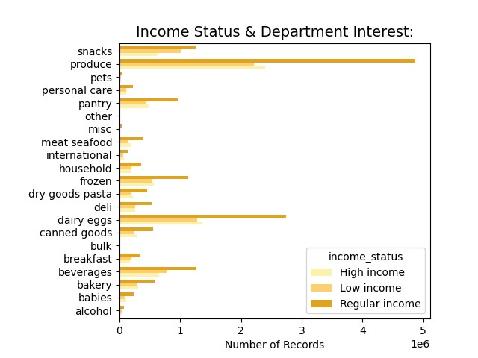
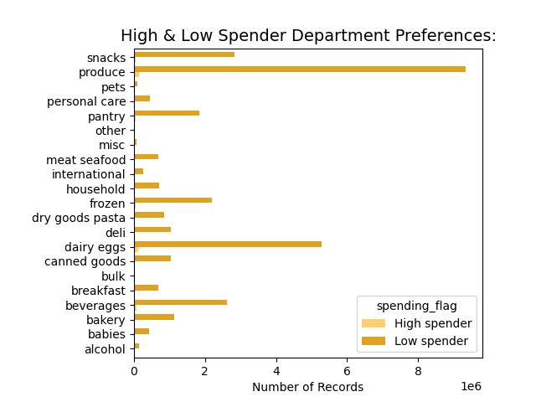

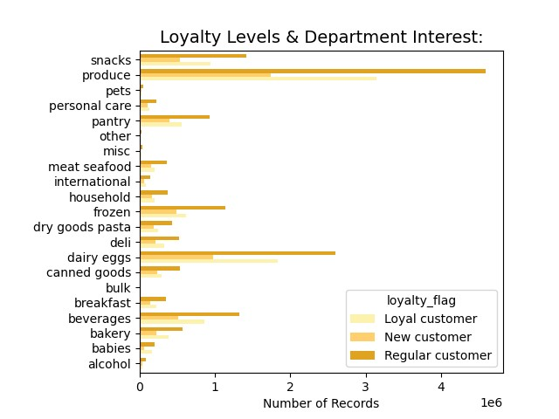

Insights:
Throughout various customer labels, whether its differences in income, family sizes, loyalty status, age, or spending habits; the observations remain the same and consistent. Priority is placed on produce, dairy, and eggs first and foremost. Those are the most popular categories by a large margin. Outside of that, the snacks, beverages, and frozen foods round up the popular departments. More personal items such as pets, personal care items, baby supplies, alcohol, and bulk items are the least popular and are not in high demand.

7. Recommendations
Title page

Recommendations

The sales team needs to know what the busiest days of the week and hours of the day are (i.e., the days and times with the most orders) in order to schedule ads at times when there are fewer orders.
They also want to know whether there are particular times of the day when people spend the most money, as this might inform the type of products they advertise at these times

Observations:
There does not appear to be any correlations between how much is spent and the time of day or the day of the week.
Recommendations:
While there are no correlations between those factors – we can still advertise during both busy and less busy days and hours. Essentially, since spending is the same, offering discounts, themed sales or BOGO promotions can entice users to make an order that day. I would recommend offering the heavier discounts during the week, as those days are the least busy. It may spur action if they were time limited deals, such as a two-day discount or “Happy Hour” themed deal.
Because weekends are already busy, we could offer more themed discounts. These could be determined with our partners, for a kickback to promote the products they would like to move during the weekend, or prior to restocking on Monday.
Please see Q2 in Visualizations Page for Charts.

Observations:
The busiest days for orders would be Saturday and Sunday. Orders start to die down starting on Monday and plateau Tuesday and Wednesday. Additionally, the busiest hours throughout the day are 10AM – 5PM, there are still some orders throughout the rest of the night, but orders are dead in the hours of 12AM – 6AM.
Recommendations:
Ads can be scheduled at the start of the week, ideally on Monday, Tuesday, and Wednesday. Advertising during the less busy hours of 7PM – 7AM may not be ideal, since groceries are generally not needed after dinner was supplied and those early hours may have no users active – due to them sleeping.
Another option would be to start advertising and offering promotions on Monday that are good for weekdays. This would promote more activity during the less busy days, while the weekends are naturally more active.
We could capitalize on snacking after dinner as well. Discounts and promotions could be offered for more snack and beverage-oriented items, since most users may not need a full dinner during those times.
Please see Q1 on Visualizations Page for charts.

Are there certain types of products that are more popular than others? The marketing and sales teams want to know which departments have the highest frequency of product orders.

Observations:
Produce, Dairy, and Eggs are the most ordered products by our users. Produce alone makes up over 33% of our orders. In combination with Dairy & Eggs, these items almost 50% of our orders. Snacks, Beverages, Frozen items, and Pantry goods trail behind but would be the next few popular categories.
Recommendations:
The Produce, Dairy & Egg products are dominating and as such, probably do not need any further promotions or push. However, there is a theme among the other mentioned categories. They often are used to “stock up” and act as supplies that can be consumed later. We could promote a “Stock Up!” type of sale or advocate buying them in bulk or together – such as a discount for purchasing Beverages with your Snack type products.
Please see Q4 on Visualizations Page for charts.
Instacart has a lot of products with different price tags. Marketing and sales want to use simpler price range groupings to help direct their efforts.

Observations:
Most of our products are $15.00 and under. This encompasses almost 95% of the products available. The rest can range anywhere up to $25.00. Items priced between $15.00 and $5.00 make up the mid-range products. These are about 66% of the purchases made by our users. The low-range products, items that cost under $5.00 make up less than 33% of our users’ purchases.
Recommendations:
This categorization may be used for promotion via sorting options. We could have a category for “Best Deals”, where we promote the low-range versions of products, such as dairy or snacks. This would bring those items into the sights of our users. Additionally, we can use them as “add-ons” as users are checking out. Advocating for $7.00 snacks at checkout may not work very well but highlighting $2.00 snacks would be an easy add – especially if we offer free shipping or such on orders that meet a minimum cost amount.
Please see Q3 on Visualizations Page for charts.

Are there differences in ordering habits based on a customer's loyalty Status?

Observations:
While “New” customers make up much of our user base, our “Regular” customers comprise over 50% of our orders. Our “Loyal” customers are relatively low population-wise, but they make up almost 33% of our orders. Our “New customers” come in at under 20% of our orders.
Recommendations:
As mentioned in similar section, to convert more “New” customers into “Regulars”, we could offer promotions for making a purchase within 15 to 20 days. These promotions could come after a delivery is made, and a reminder to use that promotion could be sent via email a few days before it expires, if it’s still unused.
For our current “Regulars” and “Loyal” customers, we can offer discounts after a certain number of purchases. These can act as milestones and be offered under the guise of a “Congratulations on your X purchase!”. These deals can expire within the week to keep their frequency high or convert the “Regulars” into “Loyal” customers.
Please see Q5.B on Visualizations Page for charts.

What's the distribution among users in regards to their brand loyalty? (i.e. how often do they return to Instacart)?

Observations:
Most of our users’ loyalty levels can be considered “New” customers. These users will make an initial order with Instacart, but their subsequent orders are often 20 days after that, on average. Our “Regular” customers comprise the second largest group of our users. These are users who make an initial purchase and then a follow up one within 10 to 20 days after, on average. Finally, our “Loyal” customers are those who make a purchase less than 10 days after their previous one, on average. They make up the lowest population of our user base.
Recommendations:
To convert more “New” customers into “Regulars”, we could offer promotions for making a purchase within 15 to 20 days. These promotions could come after a delivery is made, and a reminder to use that promotion could be sent via email a few days before it expires, if it’s still unused.
For our current “Regulars” and “Loyal” customers, we can offer discounts after a certain number of purchases. These can act as milestones and be offered under the guise of a “Congratulations on your X purchase!”. These deals can expire within the week to keep their frequency high or convert the “Regulars” into “Loyal” customers.
Please see Q5.A on Visualizations Page for charts.

Are there differences in ordering habits based on a customer's region?

Observations:
While some regions have a higher number of orders in total, compared to the other regions, the behavior patterns of various customer demographics are consistent between all four regions. Due to this, there are no differences in customer behavior that can be identified per specific region. It is likely that the regions that have more overall orders is simply due to having more states within their boundaries.
Recommendations:
Despite not being able to act on regional differences for advantages when advertising, we can observe a few key things from our customer labels. Large families, those with 2 or more children, make more orders through our app than those with 1 or no children.
Our “Regular” customers make up the majority of orders through our service, despite not being the majority population. We might benefit from increasing their ordering frequency and converting them into “Loyal” customers.
Oddly enough, the higher income users order about as much as our lower income users. However, it is possible that they purchase the higher priced products. With that said, we may benefit more overall from advertising and promoting our “Mid-range” products – since it may appeal to more overall users.
In terms of age group behavior, while it may seem like the younger and oldest of our age range make up more orders, the reality is that the ages in between dwarf them when combined. Due to this, and there is no real discernable difference in product bias via age, there are is not much we can do to benefit from this information.
Please see Q5.C on Visualizations Page for charts.

Is there a connection between age and family status in terms of ordering habits?

Observations:
Larger families, those with 2 children or more, have double the number of orders when compared to those who have no children or only 1 child.
Recommendations:
While we may be able to advertise more to those in the 18-34yr and 65yrs+ age groups, I do not see a benefit in excluding the other age groups. Especially since sales for products that would cater to an age demographic make up negligible portions of overall orders. We could advertise more to large families though. We could offer free shipping on orders that have a minimum cost, to promote stocking up on supplies. We could supplement that with promotions for baby supplies, items for children’s lunches, etc.
Please see Q5.D on Visualizations Page for charts.

What different classifications does the demographic information suggest?

Observations:
Looking at our user base, we can see a few notable things. Most of our users make a regular income between $52k - $125k, half of them have large families with 2 or more children, and many of them are frequent users of our service. We have an equal amount of female and male users, the same can be said about those with 1 or no children, and our regular and non-frequent customers.
Recommendations:
Essentially, we should focus on those with large families who make a regular amount of income. Our promotions should promote more frequent purchases, by incorporating a timed expiration period of a week. Additionally, there should be a focus on pushing the quantity of items in the cart – possibly accomplished by reminding them of necessities for families and offering addons at checkout within the lower range of products we have.
Please see Q5.E on Visualizations Page for charts.

What differences can you find in ordering habits of different customer profiles?

Observations:
Throughout various customer labels, whether its differences in income, family sizes, loyalty status, age, or spending habits; the observations remain the same and consistent. Priority is placed on produce, dairy, and eggs first and foremost. Those are the most popular categories by a large margin. Outside of that, the snacks, beverages, and frozen foods round up the popular departments. More personal items such as pets, personal care items, baby supplies, alcohol, and bulk items are the least popular and are not in high demand.
Recommendations:
Due to the consistency in purchasing decisions, despite the various labels and their differences in nature, we can conclude that no further promotions are necessary for produce, dairy, or egg products. I would recommend promoting the previously mentioned “Stock Up” themed promotions, pushing snacks, frozen items, beverages, and pantry goods as they are in fair demand. Discounts on those types of products may push them into the buy zone for our users. We can further double down on that by promoting or suggesting lower priced versions of those products when checking out.
Regarding the lower selling products, such as bulk goods, pet supplies, and personal care items – while demand for those are negligible, we may be able to place the higher discounts on them to treat them as “add-ons” or extra goodies to their carts. I do not recommend using them as requirements for promotions though, as we want the higher interest products to spur the decision to add onto their carts.
Please see Q5.F on Visualizations Page for charts.

